Individual Profile
Individual Profile
NC Reference ID |  |  |  |  | Lender Reference ID
Name of The Applicant
Date Of Birth |  |  |  |  | Age
Employer Name |  |  |  |  | Employer Profile
Designation |  |  |  |  | Educational Qualification
Working Since |  |  |  |  | Total Experience
Address of Employer
Residence Address
Residence Ownership |  |  |  |  | Residence Stability |  | 3-5 Years
Own Property Address

Individual Verification
 | Individual Name |  |  |  | Aadhar
 |  |  | PAN |  | DL |  | Voter ID
 | Document |  | Not Available |  | Not Available |  | Not Available
 | Name as per Document
 | ID No.
 | Name as per Database
 | DOB / Age
 | Address
 | Issued Date
 | Status
 | Verified on

Salary Details
Particulars |  |  | Current Month |  | Previous Month |  | Previous Month
Fixed Pay
Basic
HRA
DA
Medical Allowance
Conveyance Allowance
Special Allowance
Fixed Pay Total |  |  | 0 |  | 0 |  | 0
Variable Pay
Variable Pay-I
Variable Pay-II
Variable Pay-III
Variable Pay Total |  |  | 0 |  | 0 |  | 0
Total Deductions ( as per pay slip)
Net Fixed Pay as per pay slip |  |  | 0 |  | 0 |  | 0

Other Income
Gross Rental - Annual |  |  |  |  |  |  | 400
75% of gross rental |  |  |  |  |  |  | 300
Monthly Rental Income |  |  |  |  |  |  | 25
Consolidated Salary Income (Monthly) |  |  |  |  |  |  | 0
Rental income considered |  |  |  |  |  |  | 0

Banking
Namaste Credit Rating-o-Meter

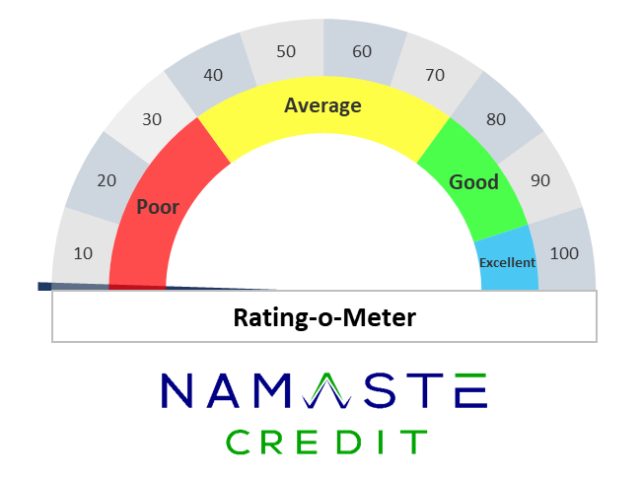
 |  |  | 0
 |  |  |  |  |  | 30
 |  |  |  |  |  | 40
 |  |  |  |  |  | 20
 | Quality |  |  |  |  | 10 | Transactions
 |  |  |  |  |  | 100

 | Good |  |  |  |  |  | Good

NC Insights

 | Name:
 | Statement Start date: |  |  |  | Statement End date:
 | Transaction Start date: |  |  |  | Transaction End date:
 | Account Opening date: |  |  |  | Statement generated date:
 | Account type |  |  |  | A/c No.:
 | Bank Name |  |  |  | Document Type:
 | Limit |  | - |  | Pan Card:

Fraud Check

 | Indicators |  |  |  |  |  | Y/N | Count
• | First Transaction Date > Account Opening Date |  |  |  |  |  | N | -
• | Last Transaction Date > NC Report Date |  |  |  |  |  | N | -
• | Transactions Missing |  |  |  |  |  | N | -
• | Description Missing |  |  |  |  |  | N | -
• | RTGS transaction < Rs. 2 Lakh |  |  |  |  |  | N | -
• | IMPS transaction > Rs. 2 Lakh |  |  |  |  |  | N | -
• | Transactions on Holidays |  |  |  |  |  | Y | 9
 | > Cash |  |  |  |  |  | N | -
 | >Cheque |  |  |  |  |  | N | -
 | >RTGS on RBI holidays |  |  |  |  |  | N | -
 | >Bill |  |  |  |  |  | N | -
 | >Salary |  |  |  |  |  | N | -
 | >Forex |  |  |  |  |  | N | -
• | Taxes paid in round figures |  |  |  |  |  | N | -
• | ATM withdrawn more than permissible limit |  |  |  |  |  | N | -

Transactions
•
•
•
•
•
•
•

* Minimum 3 Months Bank Transaction data is required for NC Rating
** For better accuracy we recommend atleast 6 Months of Bank Transaction data

Banking Monthly Analysis
Credits
Sl.No | Months | Salary | Reimbursement | Investment Credit | Interest Credit | Loan Credit | Interbank Credit | Amt. of Cash Credits

Debits and Charges
Sl.No | Months | Inward Charges | Outward Charges | EMI Return Charges | Minimum Balance Charges | Interest Charges | Other Bank Charges | Investments

